Introduction
[The Audience Agency logo]

Population Profile Report

Target Area: | 15 min drive from BS3 4EA
Base Area: | 45 min drive from BS3 4EA
Date: | 2024-02-19

Your target area

This report contains data about the population within your target area, compared to the population of the base area. Your target and base areas are shown on the maps below.

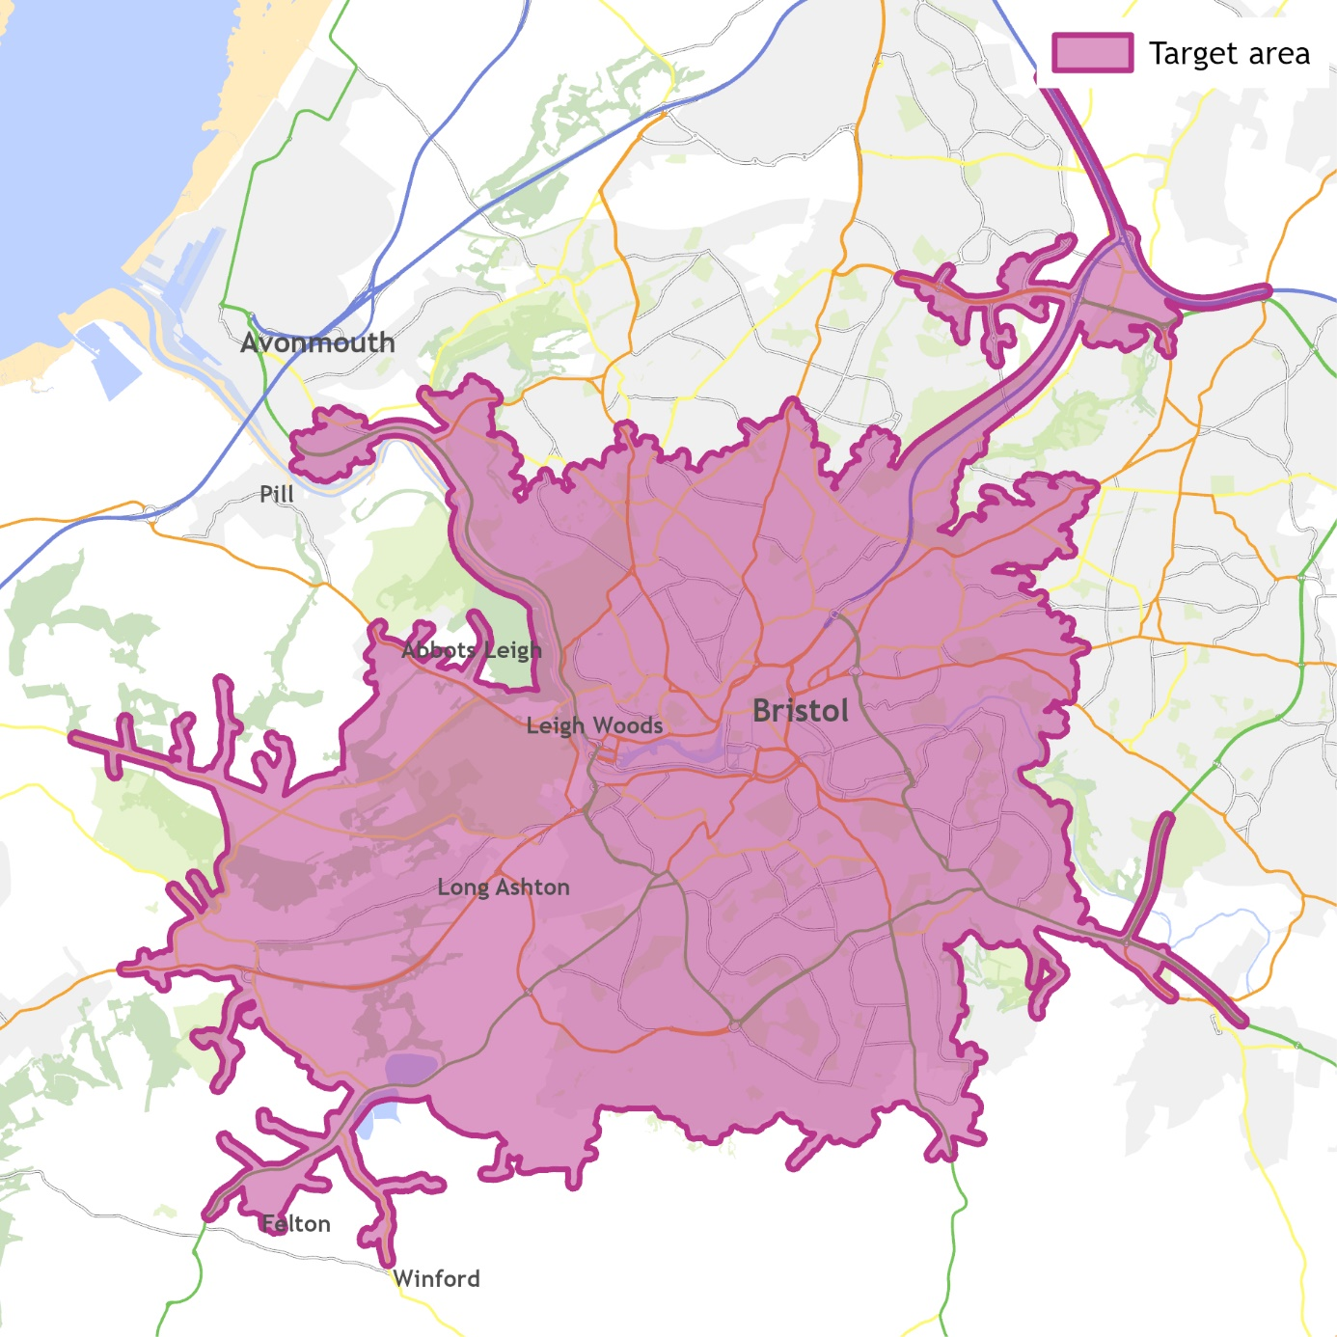
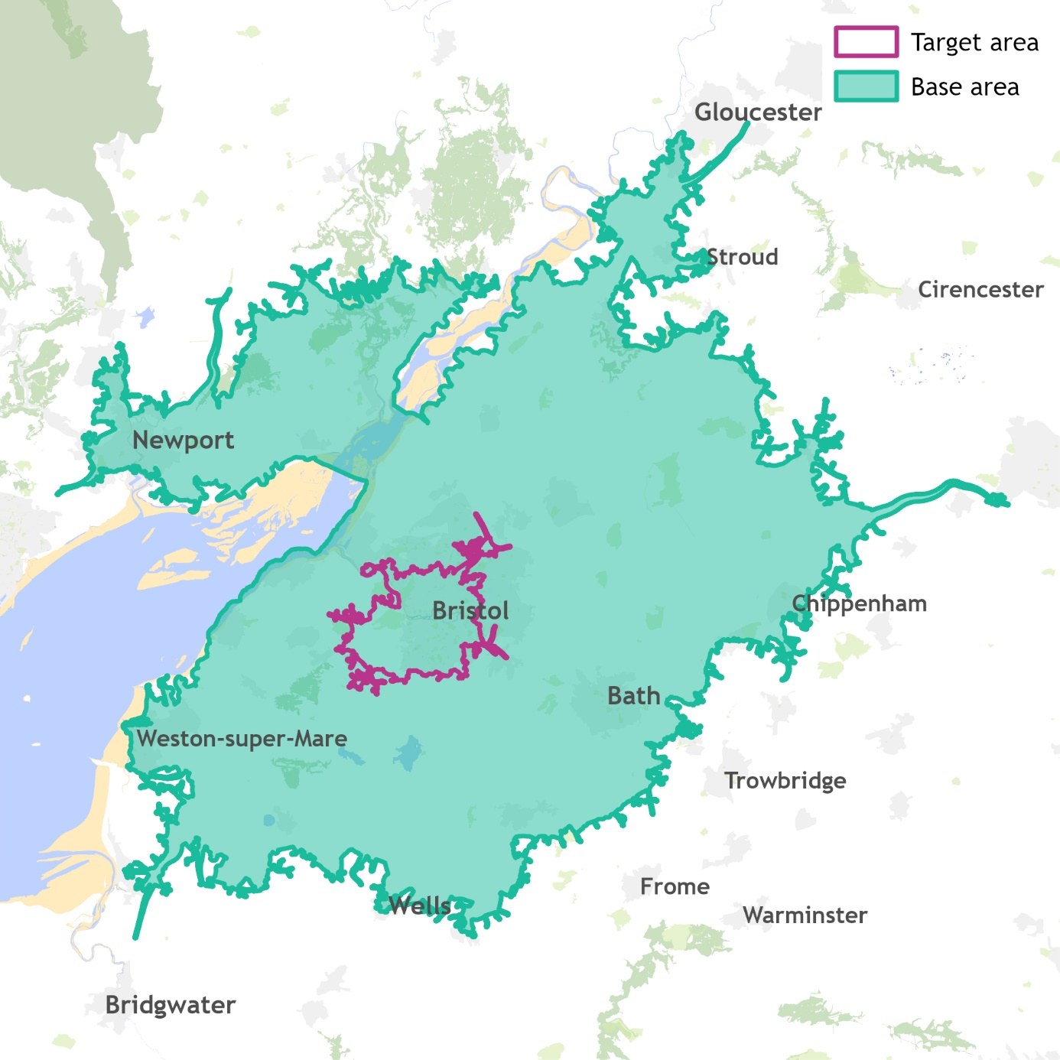
Target area: 15 min drive from BS3 4EA |  | Base area: 45 min drive from BS3 4EA
Insert Map here and on the PDF tab

Census data
Demographic data in this report comes from the 2021 England and Wales census. Figures describe people or households within your target area in March 2021, when the census was taken; the exact definition is given in the total row of each table - for example whether the figures relate to the entire population, or just adults.

You may notice that total figures for each variable differ from the total households and population figures given in the Population and Households Overview table, and between variables even when they're describing the same population. This variation is a result of census data for small areas being adjusted to ensure anonymity of individuals. For example, if a household was likely to be identified in datasets because it has unusual characteristics it was swapped with a similar one from another nearby area, and in some instances small changes may have been made to counts for example changing a count of four to a three or a five.

Building your target and base areas
The Office for National Statistics (ONS) publish census data at various levels of granularity, for example Output Area (which covers an average of 131 households), Medium Super Output Area (an average of around 3,400 households), Ward (an average of around 3,200 households), Local Authority and region. This report uses the most granular level available for each variable, to match your exact target and base areas as closely as possible.

Local Market Size Estimate (LMSE) data
Data about arts, culture and heritage activity, outings and other leisure activities, sports participation and media consumption is sourced from the BMRB Target Group Index survey and modelled to describe the likely characteristics of the adult population of your specific target and base area. Whilst the TGI survey covers a representative sample of the UK population, the figures on the LMSE tab should be taken as being indicative of likely levels of activity in your target and base areas rather than a describing actual instances of attendance of activity.

Audience Spectrum
Audience Spectrum is a population profiling tool which describes attendance, participation and engagement with the arts, museums and heritage, as well as behaviours, attitudes and preferences towards such organisations. It has been built to meet the needs of small and large scale, ticketed and non-ticketed organisations from across the cultural sector.

To find out more and to view the pen portraits for each segment visit: www.theaudienceagency.org/audience-spectrum

Mosaic
Mosaic is a geo-demographic profiling tool which combines a wide range of information from over 400 sources to create a summary of the likely characteristics of each UK household. Households are assigned to a ‘group’, of which there are 15 in Mosaic, which describes their socio-economic and cultural behaviour.

How to read the tables
The tables show the size of each category within your target area, compared to the size of that category within the base area.

The index figures show whether each category is over or under represented in your target area compared to the base area.
• An index of 100 occurs when the proportion of a category in your target area exactly matches the size of that category within the base area.

• An index over 100 indicates that this category is over-represented in your target area compared to the base area.
- Indices of 110 or over are highlighted, with the index appearing in purple.

• An index under 100 indicates that this category is under-represented in your target area compared to the base area.
- Indices of 90 or less are highlighted, with the index appearing in orange.

• Indices with a shaded background indicate significant difference between your target area and base area.

Further information
If you have any questions about your Population Profile Report, please contact us: research@theaudienceagency.org

