Introduction
Area Profile Report

Target Area: | 20 minute drivetime from TN22 3QL
Base Area: | South East
Date: | 2022-06-15

Your target area

This document contains data about the population within your target area (20 minute drivetime from TN22 3QL), compared to the population of your base area (South East). The extent of your target area is shown in the map below.

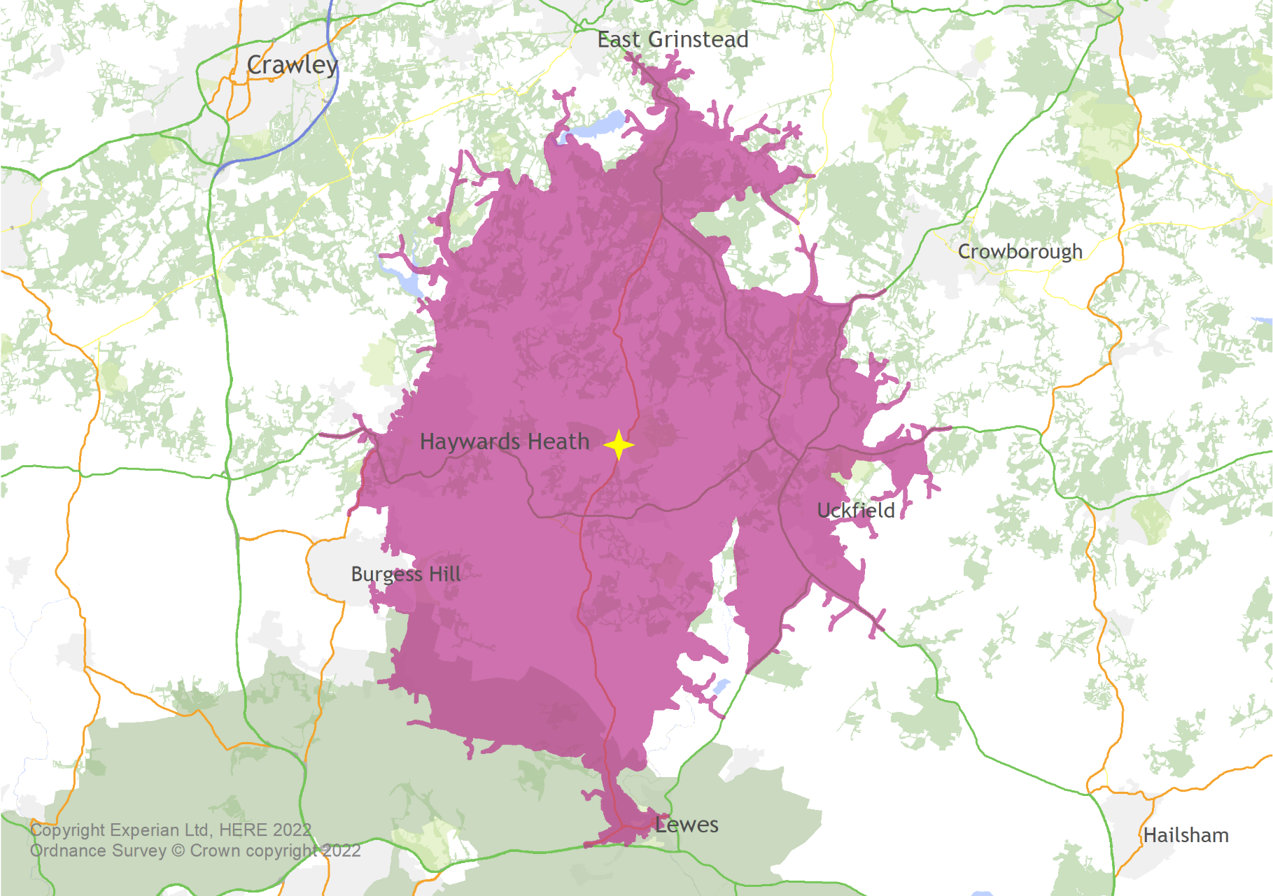
Insert Map here and on the PDF tab

How to read the tables

The tables show the size of each category within the target area, compared to the size of that category within the base population.

The index figures show whether each category is over or under represented in the target area compared to the base population.
• An index of 100 occurs when the proportion of a category in the target area exactly matches the size of that category within the base population.

• An index over 100 indicates that this category is over-represented in the target area compared to the base population.
- Indices of 110 or over are highlighted, with the index appearing in red.

• An index under 100 indicates that this category is under-represented in the target area compared to the base population.
- Indices of 90 or less are highlighted, with the index appearing in blue.

• Indices with a shaded background indicate significant difference between the target area and base population.

Audience Spectrum

Audience Spectrum is a population profiling tool which describes attendance, participation and engagement with the arts, museums and heritage, as well as behaviours, attitudes and preferences towards such organisations. It has been built to meet the needs of small and large scale, ticketed and non-ticketed organisations from across the cultural sector.

To find out more and to view the pen portraits for each segment visit: www.theaudienceagency.org/audience-spectrum

Mosaic

Mosaic is a geo-demographic profiling tool which combines a wide range of information from over 400 sources to create a summary of the likely characteristics of each UK household. Households are assigned to a ‘group’, of which there are 15 in Mosaic, which describes their socio-economic and cultural behaviour.

Further information

If you have any questions about your Area Profile Report, please contact us: research@theaudienceagency.org

